Sheet1
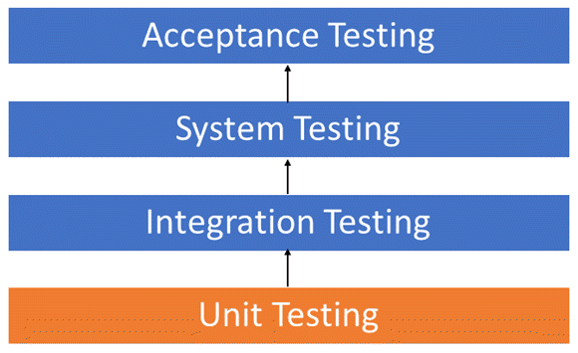
Test Cases
User Story ID | Unit to test | Assumptions | Test data | Steps to be executed | Expected Results | Actual Result | Pass/Fail | Comments
DCS - 12 | Login | Login should be successful | Email - test@easyway.com, Password - test123 | Homepage -> Login | Check results on entering valid User Id & Password
DCS - 12 | Login | It should show an error as "Invalid Username or Password" | Email - test@easyway.com, Password - test | Homepage -> Login | Check results on entering Invalid User ID & Password
DCS - 12 | Login | It should show an error as "Invalid Username or Password" | Email - easy@easyway.com, Password - test | Homepage -> Login | Check response when a User ID is Empty & Login Button is pressed
DCS - 13 | Sign Up | Sign Up should be successful | Email - any, Password - anything in between 8 to 16 char | Homepage -> Sign Up | Check results on entering valid User Id & Password
DCS - 13 | Sign Up | It should show an error as "Username already in use" | Email - test@easyway.com, Password - test123 | Homepage -> Sign Up | Check results on entering Already in Used User ID
DCS - 13 | Sign Up | It should show an error as "Enter the Password with given parameters" | Email - test@easyway.com, Password - test | Homepage -> Sign Up | Check response when a Password is containing all the given parameters
DCS - 49 | Profile | Profile creation should be successful | Email - test@easyway.com, Password - test | Homepage-> Login-> Profile | Check all the details filled with valid zip codes and phone numbers.
DCS - 49 | Profile | Show an error with missing fields | Email - , Password - test | Homepage-> Login-> Profile | Check to missing/mandatory fields*
DCS - 18 | Homepage | Services should be categorize and listed |  | Homepage | Check if the categories are correct
DCS - 24 | Homepage | Customer should be able to search the desired services on search box |  | Homepage-> Search box | Homepage must provide the search box for user to search for desired services.
DCS - 48 | Services | Display service catalog | db.getCollection("catalog").find({}); | MongoDB -> use Easyway
DCS - 51 | Professionals | Display list of professional | db.getCollection("professional").find({}); | MongoDB -> use Easyway
DCS - 49 | Customer | Insert a customer | db.customer.insert({name:"customerName",customerEmail:customer@test.com, customerPassword:12345678, customerPassword2:12345678}) | MongoDB -> use Easyway | Create a new user in customer database
DCS - 49 | Customer | Display all the customers | db.getCollection("customers").find({}); | MongoDB -> use Easyway
DCS - 18 | Homepage | Customers should be able to access the homepage | localhost:8080 | Homepage | Once directed with url, you will be first redirected to homepage.
DCS | Chatbot | Customer can interact and receive a response. |  | Homepage-> Login-> Book an Appointment-> Chat | One the chat started both customers and professional can chat in it.
DCS | Chatbot | Customer should be able to book appointment just by interaction and chatting with the chatbot |  | Homepage-> Chatbot | Homepage must provide the chatbot to clear all queries
DCS | Homepage | History displayed in search field should be relevant to logged in user only |  | Homepage-> Search box | Search box on Homepage must display relevant information previously searched by the user.
DCS | Dummy Data | Display all collections | show collections | MongoDB -> use Easyway | All tables should be listed
DCS | Forgot password | Should direct to the email to reset the password |  | Homepage-> Login -> Forgot Password | Password Reset and directed to login page again
DCS | Service Page | Services should have filter option based on reviews and time arrive |  | Homepage ->Services -> Filter | Check if the results after correctly filtered

